OutputsFromFDM
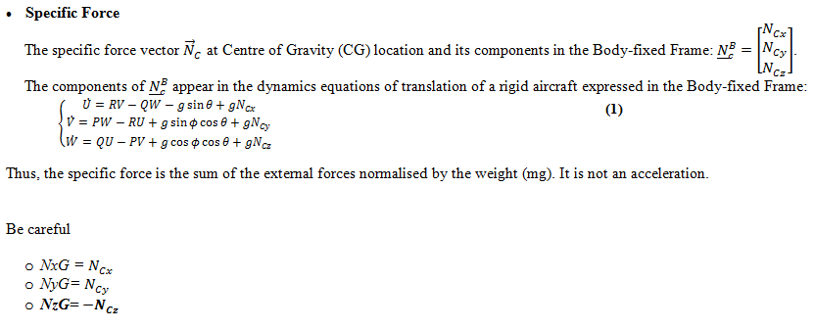
 | Name | Description | AC Variant | Sign Convention | Position [Back from nose, Right of BL, Up from WL] | Alignment | Dimension | Type | Frequency | Unit | Range | BA Comments
Outputs
Flight Dynamics
Flight Dynamics |  |  |  | (+ve = positive)
 | PresAltFt | Presure Altitde of AC | 7% / 16.5% | +ve Up |  |  | [1,1] | double | 600Hz | feet
 | AlphaDeg | Angle of Attack | 7% / 16.5% | +ve Up |  |  | [1,1] | double | 600Hz | Deg
 | BetaDeg | Angle of Sideslip | 7% / 16.5% | +ve Wind from Right |  |  | [1,1] | double | 600Hz | Deg
 | GammaDeg | Angle of Descent | 7% / 16.5% | +ve Climb |  |  | [1,1] | double | 600Hz | Deg
 | CASKts | Calibrated air speed | 7% / 16.5% | +ve Forward |  |  | [1,1] | double | 600Hz | Knots
 | PDps | Body Roll Rate | 7% / 16.5% |  |  |  | [1,1] | double | 600Hz | Deg/Second
 | QDps | Body Pitch Rate | 7% / 16.5% |  |  |  | [1,1] | double | 600Hz | Deg/Second
 | RDps | Body Yaw Rate | 7% / 16.5% |  |  |  | [1,1] | double | 600Hz | Deg/Second
 | PhiDeg | Inertial Bank Attitude | 7% / 16.5% |  |  |  | [1,1] | double | 600Hz | Deg
 | ThetaDeg | Inertial Pitch Attitude | 7% / 16.5% |  |  |  | [1,1] | double | 600Hz | Deg
 | PsiDeg | Inertial Yaw Atittude | 7% / 16.5% |  |  |  | [1,1] | double | 600Hz | Deg
 | TASKts | Tr | 7% / 16.5% |  |  |  | [1,1] | double | 600Hz | Knots
 | HeightAGLFt | Height above ground | 7% / 16.5% | +ve above ground |  |  | [1,1] | double | 600Hz | feet
 | XthrustLbs | Engine longitudinal Thrust | 7% / 16.5% | +ve Forward |  |  | [1,1] | double | 600Hz | Lbs
 | GrndContactLMG | Ground contact on Left Main Gear | 7% / 16.5% | +ve Contact |  |  | [1,1] | double | 600Hz | -- | [0,1] | Note: Ground contact signal is not to be used with this release of the model
 | GrndContactNG | Ground contact on Nose Gear | 7% / 16.5% | +ve Contact |  |  | [1,1] | double | 600Hz | -- | [0,1] | Note: Ground contact signal is not to be used with this release of the model
 | GrndContactRMG | Ground contact on Right Main Gear | 7% / 16.5% | +ve Contact |  |  | [1,1] | double | 600Hz | -- | [0,1] | Note: Ground contact signal is not to be used with this release of the model
 | DynPresPsf | Dynamic Pressure | 7% / 16.5% |  |  |  | [1,1] | double | 600Hz | pounds/square foot
 | PAmbPsf | Outside statice pressure | 7% / 16.5% |  |  |  | [1,1] | double | 600Hz | pounds/square foot
 | XposnFt | Inertial X Posn | 7% / 16.5% |  |  |  | [1,1] | double | 600Hz | feet
 | YposnFt | Inertial Y Posn | 7% / 16.5% |  |  |  | [1,1] | double | 600Hz | feet
 | ZposnFt | Inertial Z Posn | 7% / 16.5% |  |  |  | [1,1] | double | 600Hz | feet
 | NxG | Longitudinal Specific Force at CG | 7% / 16.5% | +ve Forward |  |  | [1,1] | double | 600Hz | g |  | your accelero model you will have to transform them into a right hand frame, then transform from specific force to acceleration then apply kinematics to move acceleration to sensor location then add noise bias….etc
 | NyG | Lateral Specific Force at CG | 7% / 16.5% | +ve Right |  |  | [1,1] | double | 600Hz | g |  | your accelero model you will have to transform them into a right hand frame, then transform from specific force to acceleration then apply kinematics to move acceleration to sensor location then add noise bias….etc
 | NzG | Normal Specific Force at CG | 7% / 16.5% | +ve Up |  |  | [1,1] | double | 600Hz | g |  | your accelero model you will have to transform them into a right hand frame, then transform from specific force to acceleration then apply kinematics to move acceleration to sensor location then add noise bias….etc
 | VEarthFtps_0 | Vnorth | 7% / 16.5% | +ve North |  |  | [1,1] | double | 600Hz | feet/second
 | VEarthFtps_1 | Veast | 7% / 16.5% | +ve Est |  |  | [1,1] | double | 600Hz | feet/second
 | VEarthFtps_2 | Vdown | 7% / 16.5% | +ve Down |  |  | [1,1] | double | 600Hz | feet/second
 | N1PctLhCmd |  | 16.5% |  |  |  | [1,1] | double | 600Hz | %
 | N1PctRhCmd |  | 16.5% |  |  |  | [1,1] | double | 600Hz | %
 | LatitudeDeg | Latitude | 7% / 16.5% |  |  |  | [1,1] | double | 600Hz | Deg
 | LongitudeDeg | Longitude | 7% / 16.5% |  |  |  | [1,1] | double | 600Hz | Deg
 | ZgrndLhLbs | Force on Right Main Gear | 7% / 16.5% | +ve Force along strut |  |  | [1,1] | double | 600Hz | Lbs Force | [0,1]
 | ZgrndRhLbs | Force on Left Main Gear | 7% / 16.5% | +ve Force along strut |  |  | [1,1] | double | 600Hz | Lbs Force | [0,1]
 | ZgrndNgLbs | Force on Nose Gear | 7% / 16.5% | +ve Force along strut |  |  | [1,1] | double | 600Hz | Lbs Force | [0,1]
 | Time | Time since model Start | 7% / 16.5% |  |  |  | [1,1] | double | 600Hz | Seconds
 | WindUFtps |  | 7% / 16.5% |  |  |  | [1,1] | double | 600Hz | feet/second
 | WindVFtps |  | 7% / 16.5% |  |  |  | [1,1] | double | 600Hz | feet/second
 | WindWFtps |  | 7% / 16.5% |  |  |  | [1,1] | double | 600Hz | feet/second
 | CgShifterPosn_Ft |  | 16.5% |  |  |  | [1,1] | double | 600Hz | Feet
Control Surface Data |  | Control Surface Deflection Data
 | AilLwrLhBDriveDeg | Lh Lower Aileron Surface Position (Actual) | 7% / 16.5% | +ve TE up |  |  | [1,1] | double | 600Hz | deg
 | AilUprLhBDriveDeg | Lh Upper Aileron Surface Position (Actual) | 7% / 16.5% | +ve TE up |  |  | [1,1] | double | 600Hz | deg
 | AilLwrRhBDriveDeg | Rh Lower Aileron Surface Position (Actual) | 7% / 16.5% | +ve TE dn |  |  | [1,1] | double | 600Hz | deg
 | AilUprRhBDriveDeg | Rh Upper Aileron Surface Position (Actual) | 7% / 16.5% | +ve TE dn |  |  | [1,1] | double | 600Hz | deg
 | ElvLhOBBDriveDeg | Lh Outbord Elevon Surface Position (Actual) | 7% / 16.5% | +ve TE up |  |  | [1,1] | double | 600Hz | deg
 | ElvLhIBBDriveDeg | Lh Inbord Elevon Surface Position (Actual) | 7% / 16.5% | +ve TE up |  |  | [1,1] | double | 600Hz | deg
 | ElvRhOBBDriveDeg | Rh Outbord Elevon Surface Position (Actual) | 7% / 16.5% | +ve TE dn |  |  | [1,1] | double | 600Hz | deg
 | ElvRhIBBDriveDeg | Rh Inbord Elevon Surface Position (Actual) | 7% / 16.5% | +ve TE dn |  |  | [1,1] | double | 600Hz | deg
 | RudPylLhBDriveDeg | Lh Pylon Rudder Surface Position (Actual) | 7% / 16.5% | +ve TE left |  |  | [1,1] | double | 600Hz | deg
 | RudUTailLhBDriveDeg | Lh Utail Rudder Surface Position (Actual) | 7% / 16.5% | +ve TE left |  |  | [1,1] | double | 600Hz | deg
 | RudWingletLhBDriveDeg | Lh Winglet Rudder Surface Position (Actual) | 7% / 16.5% | +ve TE left |  |  | [1,1] | double | 600Hz | deg
 | ElvUTailLhBDriveDeg | Lh Utail Elevator Surface Position (Actual) | 7% / 16.5% | +ve TE dn |  |  | [1,1] | double | 600Hz | deg
 | ElvUTailRhBDriveDeg | Rh Utail Elevator Surface Position (Actual) | 7% / 16.5% | +ve TE dn |  |  | [1,1] | double | 600Hz | deg
 | RudPylRhBDriveDeg | Rh Pylon Rudder Surface Position (Actual) | 7% / 16.5% | +ve TE left |  |  | [1,1] | double | 600Hz | deg
 | RudUTailRhBDriveDeg | Rh Utail Rudder Surface Position (Actual) | 7% / 16.5% | +ve TE left |  |  | [1,1] | double | 600Hz | deg
 | RudWingletRhBDriveDeg | Rh Winglet Rudder Surface Position (Actual) | 7% / 16.5% | +ve TE left |  |  | [1,1] | double | 600Hz | deg
 | AftFlapBDriveDeg | Aft Flap Surface Position (Actual) | 7% / 16.5% | +ve TE dn |  |  | [1,1] | double | 600Hz | deg
 | AilLwrLhLoadPct | Lh Lower Aileron Percent of stall load | 16.5% | -- |  |  | [1,1] | double | 600Hz | %
 | AilUprLhLoadPct | Lh Upper Aileron Percent of stall load | 16.5% | -- |  |  | [1,1] | double | 600Hz | %
 | AilLwrRhLoadPct | Rh Lower Aileron Percent of stall load | 16.5% | -- |  |  | [1,1] | double | 600Hz | %
 | AilUprRhLoadPct | Rh Upper Aileron Percent of stall load | 16.5% | -- |  |  | [1,1] | double | 600Hz | %
 | ElvLhOBLoadPct | Lh Outbord Elevon Percent of stall load | 16.5% | -- |  |  | [1,1] | double | 600Hz | %
 | ElvLhIBLoadPct | Lh Inbord Elevon Percent of stall load | 16.5% | -- |  |  | [1,1] | double | 600Hz | %
 | ElvRhOBLoadPct | Rh Outbord Elevon Percent of stall load | 16.5% | -- |  |  | [1,1] | double | 600Hz | %
 | ElvRhIBLoadPct | Rh Inbord Elevon Percent of stall load | 16.5% | -- |  |  | [1,1] | double | 600Hz | %
 | RudPylLhLoadPct | Lh Pylon Rudder Percent of stall load | 16.5% | -- |  |  | [1,1] | double | 600Hz | %
 | RudUTailLhLoadPct | Lh Utail Rudder Percent of stall load | 16.5% | -- |  |  | [1,1] | double | 600Hz | %
 | RudWingletLhLoadPct | Lh Winglet Rudder Percent of stall load | 16.5% | -- |  |  | [1,1] | double | 600Hz | %
 | ElvUTailLhLoadPct | Lh Utail Elevator Percent of stall load | 16.5% | -- |  |  | [1,1] | double | 600Hz | %
 | ElvUTailRhLoadPct | Rh Utail Elevator Percent of stall load | 16.5% | -- |  |  | [1,1] | double | 600Hz | %
 | RudPylRhLoadPct | Rh Pylon Rudder Percent of stall load | 16.5% | -- |  |  | [1,1] | double | 600Hz | %
 | RudUTailRhLoadPct | Rh Utail Rudder Percent of stall load | 16.5% | -- |  |  | [1,1] | double | 600Hz | %
 | RudWingletRhLoadPct | Rh Winglet Rudder Percent of stall load | 16.5% | -- |  |  | [1,1] | double | 600Hz | %
 | AftFlapLoadPct | Aft Flap Percent of stall load | 16.5% | -- |  |  | [1,1] | double | 600Hz | %
 | HMRudWgltLhInLb | Surface Hinge Moment | 16.5% | +ve TE up |  |  | [1,1] | double | 600Hz | In-Lb
 | HMAilLwrLhInLb | Surface Hinge Moment | 16.5% | +ve TE up |  |  | [1,1] | double | 600Hz | In-Lb
 | HMAilUprLhInLb | Surface Hinge Moment | 16.5% | +ve TE dn |  |  | [1,1] | double | 600Hz | In-Lb
 | HMElevonOBLhInLb | Surface Hinge Moment | 16.5% | +ve TE dn |  |  | [1,1] | double | 600Hz | In-Lb
 | HMElevonIBLhInLb | Surface Hinge Moment | 16.5% | +ve TE up |  |  | [1,1] | double | 600Hz | In-Lb
 | HMRudPylLhInLb | Surface Hinge Moment | 16.5% | +ve TE up |  |  | [1,1] | double | 600Hz | In-Lb
 | HMElvLhInLb | Surface Hinge Moment | 16.5% | +ve TE dn |  |  | [1,1] | double | 600Hz | In-Lb
 | HMRudUtailLhInLb | Surface Hinge Moment | 16.5% | +ve TE dn |  |  | [1,1] | double | 600Hz | In-Lb
 | HMAftFlapInLb | Surface Hinge Moment | 16.5% | +ve TE left |  |  | [1,1] | double | 600Hz | In-Lb
 | HMRudUtailRhInLb | Surface Hinge Moment | 16.5% | +ve TE left |  |  | [1,1] | double | 600Hz | In-Lb
 | HMElvRhInLb | Surface Hinge Moment | 16.5% | +ve TE left |  |  | [1,1] | double | 600Hz | In-Lb
 | HMRudPylRhInLb | Surface Hinge Moment | 16.5% | +ve TE dn |  |  | [1,1] | double | 600Hz | In-Lb
 | HMElevonIBRhInLb | Surface Hinge Moment | 16.5% | +ve TE dn |  |  | [1,1] | double | 600Hz | In-Lb
 | HMElevonOBRhInLb | Surface Hinge Moment | 16.5% | +ve TE left |  |  | [1,1] | double | 600Hz | In-Lb
 | HMAilUprRhInLb | Surface Hinge Moment | 16.5% | +ve TE left |  |  | [1,1] | double | 600Hz | In-Lb
 | HMAilLwrRhInLb | Surface Hinge Moment | 16.5% | +ve TE left |  |  | [1,1] | double | 600Hz | In-Lb
 | HMRudWgltRhInLb | Surface Hinge Moment | 16.5% | +ve TE dn |  |  | [1,1] | double | 600Hz | In-Lb
High Lift & Ground
 | FlapLhOBBDriveDeg | Lh OB Flap Position | 16.5% | +ve TE dn |  |  | [1,1] | double | 600Hz | deg
 | FlapLhIBBDriveDeg | Lh IB Flap Position | 16.5% | +ve TE dn |  |  | [1,1] | double | 600Hz | deg
 | SlatLhBDriveDeg | Lh Slat Position | 16.5% | +ve TE dn |  |  | [1,1] | double | 600Hz | deg
 | SlatRhBDriveDeg | Rh Slat Position | 16.5% | +ve TE dn |  |  | [1,1] | double | 600Hz | deg
 | FlapRhOBBDriveDeg | Rh IB Flap Position | 16.5% | +ve TE dn |  |  | [1,1] | double | 600Hz | deg
 | FlapRhIBBDriveDeg | Rh OB Flap Position | 16.5% | +ve TE dn |  |  | [1,1] | double | 600Hz | deg
 | BrakeLh | LH Brake Application | 16.5% | -- |  |  | [1,1] | double | 600Hz | -- | [0,1]
 | BrakeRh | RH Brake Application | 16.5% | -- |  |  | [1,1] | double | 600Hz | -- | [0,1]
 | NWBDriveDeg | Nosegear Position | 7% / 16.5% | +ve Nose Right |  |  | [1*1] | double | 100Hz | deg
 | MFS1LhBDriveDeg | Lh OB Spoiler Position | 16.5% | +ve TE up |  |  | [1*1] | double | 100Hz | deg
 | GrndSplrLhBDriveDeg | Lh IB Spoiler Position | 16.5% | +ve TE up |  |  | [1*1] | double | 100Hz | deg
 | GrndSplrRhBDriveDeg | Rh IB Spoiler Position | 16.5% | +ve TE up |  |  | [1*1] | double | 100Hz | deg
 | MFS1RhBDriveDeg | Rh IB Spoiler Position | 16.5% | +ve TE up |  |  | [1*1] | double | 100Hz | deg
AC Data
 | XcgPctMAC | Center of Gravity in % of Mac (Skinny Mac) | 7% / 16.5% |  |  |  | [1,1] | double | 600Hz | %MAC
 | IxxLbsInch2 | Innertia XX | 7% / 16.5% |  |  |  | [1,1] | double | 600Hz | lbs-In^2
 | IyyLbsInch2 | Innertia YY | 7% / 16.5% |  |  |  | [1,1] | double | 600Hz | lbs-In^2
 | IzzLbsInch2 | Innertia ZZ | 7% / 16.5% |  |  |  | [1,1] | double | 600Hz | lbs-In^2
 | IxzLbsInch2 | Innertia XZ | 7% / 16.5% |  |  |  | [1,1] | double | 600Hz | lbs-In^2
 | VoltageLhEngine | LH Engine Voltage | 7% |  |  |  | [1,1] | double | 600Hz | V
 | VoltageRhEngine | RH Engine Voltage | 7% |  |  |  | [1,1] | double | 600Hz | V
 | VoltagePWMLhEngine | LH Engine Speed | 7% |  |  |  | [1,1] | double | 600Hz | RPM
 | VoltagePWMRhEngine | RH Engine Speed | 7% |  |  |  | [1,1] | double | 600Hz | RPM
 | CurrentLhEngine | Lh Engine Current | 7% |  |  |  | [1,1] | double | 600Hz | A
 | CurrentRhEngine | Rh Engine Current | 7% |  |  |  | [1,1] | double | 600Hz | A

FDM to Piccolo Signals |  | Sensor Inpus to Piccolo CLaws SW
Sensors
 | REFSI_FD_OUT_PIC_dynPres_Pa | dynPres_Pa | 7% / 16.5% | -- |  |  | [1*1] | double | 600Hz | pa
 | REFSI_FD_OUT_PIC_TAmb_C | TAmb_C | 7% / 16.5% | -- |  |  | [1*1] | double | 600Hz | c
 | REFSI_FD_OUT_PIC_PAmb_Pa | PAmb_Pa | 7% / 16.5% | -- |  |  | [1*1] | double | 600Hz | pa
 | REFSI_FD_OUT_PIC_rollRate_Dps | rollRate_Dps | 7% / 16.5% | +ve Right Wing Down |  | 0 Roll, 0Pitch, 180 Yaw | [1*1] | double | 600Hz | deg/s
 | REFSI_FD_OUT_PIC_pitchRate_Dps | pitchRate_Dps | 7% / 16.5% | +ve Pitch Up |  | 0 Roll, 0Pitch, 180 Yaw | [1*1] | double | 600Hz | deg/s
 | REFSI_FD_OUT_PIC_yawRate_Dps | yawRate_Dps | 7% / 16.5% | +ver Nose Right |  | 0 Roll, 0Pitch, 180 Yaw | [1*1] | double | 600Hz | deg/s
 | REFSI_FD_OUT_PIC_accelXDir_Mps2 | accelXDir_Mps2 | 7% / 16.5% | +ve Fwd | 7%: [622.24mm, 3.54mm, 21.73mm] 16.5%: [1259.4mm, 0.00mm, 155.94mm] | 0 Roll, 0Pitch, 180 Yaw | [1*1] | double | 600Hz | m/s/s
 | REFSI_FD_OUT_PIC_accelYDir_Mps2 | accelYDir_Mps2 | 7% / 16.5% | +ve Right/Starboard | 7%: [622.24mm, 3.54mm, 21.73mm] 16.5%: [1259.4mm, 0.00mm, 155.94mm] | 0 Roll, 0Pitch, 180 Yaw | [1*1] | double | 600Hz | m/s/s
 | REFSI_FD_OUT_PIC_accelZDir_Mps2 | accelZDir_Mps2 | 7% / 16.5% | +ve Down | 7%: [622.24mm, 3.54mm, 21.73mm] 16.5%: [1259.4mm, 0.00mm, 155.94mm] | 0 Roll, 0Pitch, 180 Yaw | [1*1] | double | 600Hz | m/s/s
 | REFSI_FD_OUT_PIC_GPSNovFwdLatitudeDeg | Novatel FWD GPSLatitudeDeg | 16.5% |  | 7%: [850.57mm, 0.00mm, 96.77mm] 16.5%: [653.17mm, 0.00mm, 295.84mm] |  | [1*1] | double | 600Hz | deg
 | REFSI_FD_OUT_PIC_GPSNovFwdLongitudeDeg | Novatel FWD GPSLongitudeDeg | 16.5% |  | 7%: [850.57mm, 0.00mm, 96.77mm] 16.5%: [653.17mm, 0.00mm, 295.84mm] |  | [1*1] | double | 600Hz | deg
 | REFSI_FD_OUT_PIC_GPSNovFwdHeight_m | Novatel FWD GPSHeight_m | 16.5% |  | 7%: [850.57mm, 0.00mm, 96.77mm] 16.5%: [653.17mm, 0.00mm, 295.84mm] |  | [1*1] | double | 600Hz | m/s/s
 | REFSI_FD_OUT_PIC_vEarthXNovFwd_Mps | Novatel FWD vEarthX_Mps | 16.5% |  | 7%: [850.57mm, 0.00mm, 96.77mm] 16.5%: [653.17mm, 0.00mm, 295.84mm] |  | [1*1] | double | 600Hz | m/s
 | REFSI_FD_OUT_PIC_vEarthYNovFwd_Mps | Novatel FWD vEarthY_Mps | 16.5% |  | 7%: [850.57mm, 0.00mm, 96.77mm] 16.5%: [653.17mm, 0.00mm, 295.84mm] |  | [1*1] | double | 600Hz | m/s
 | REFSI_FD_OUT_PIC_vEarthZNovFwd_Mps | Novatel FWD vEarthZ_Mps | 16.5% |  | 7%: [850.57mm, 0.00mm, 96.77mm] 16.5%: [653.17mm, 0.00mm, 295.84mm] |  | [1*1] | double | 600Hz | m/s
 | REFSI_FD_OUT_PIC_GPSUbloxLatitudeDeg | UBlox GPSLatitudeDeg | 7% / 16.5% |  | 7%: [758.09mm, 0.00mm, 106.97mm] 16.5%: [1265.39mm, 0.00mm, 301.67mm] |  | [1*1] | double | 600Hz | deg
 | REFSI_FD_OUT_PIC_GPSUbloxLongitudeDeg | Ublox GPSLongitudeDeg | 7% / 16.5% |  | 7%: [758.09mm, 0.00mm, 106.97mm] 16.5%: [1265.39mm, 0.00mm, 301.67mm] |  | [1*1] | double | 600Hz | deg
 | REFSI_FD_OUT_PIC_GPSUbloxHeight_m | UBlox GPSHeight_m | 7% / 16.5% |  | 7%: [758.09mm, 0.00mm, 106.97mm] 16.5%: [1265.39mm, 0.00mm, 301.67mm] |  | [1*1] | double | 600Hz | m
 | REFSI_FD_OUT_PIC_vEarthXUblox_Mps | UBlox vEarthX_Mps | 7% / 16.5% |  | 7%: [758.09mm, 0.00mm, 106.97mm] 16.5%: [1265.39mm, 0.00mm, 301.67mm] |  | [1*1] | double | 600Hz | m/s
 | REFSI_FD_OUT_PIC_vEarthYUblox_Mps | UBlox vEarthY_Mps | 7% / 16.5% |  | 7%: [758.09mm, 0.00mm, 106.97mm] 16.5%: [1265.39mm, 0.00mm, 301.67mm] |  | [1*1] | double | 600Hz | m/s
 | REFSI_FD_OUT_PIC_vEarthZUblox_Mps | UBlox vEarthZ_Mps | 7% / 16.5% |  | 7%: [758.09mm, 0.00mm, 106.97mm] 16.5%: [1265.39mm, 0.00mm, 301.67mm] |  | [1*1] | double | 600Hz | m/s
 | REFSI_FD_OUT_PIC_GPSNovAftLatitudeDeg | Novatel AFT GPSLatitudeDeg | 7% / 16.5% |  | 7%: [758.09mm, 0.00mm, 106.97mm] 16.5%: [1265.39mm, 0.00mm, 301.67mm] |  | [1*1] | double | 600Hz | deg
 | REFSI_FD_OUT_PIC_GPSNovAftLongitudeDeg | Novatel AFT GPSLongitudeDeg | 7% / 16.5% |  | 7%: [758.09mm, 0.00mm, 106.97mm] 16.5%: [1265.39mm, 0.00mm, 301.67mm] |  | [1*1] | double | 600Hz | deg
 | REFSI_FD_OUT_PIC_GPSNovAftHeight_m | Novatel AFT GPSHeight_m | 7% / 16.5% |  | 7%: [758.09mm, 0.00mm, 106.97mm] 16.5%: [1265.39mm, 0.00mm, 301.67mm] |  | [1*1] | double | 600Hz | m
 | REFSI_FD_OUT_PIC_vEarthXNovAft_Mps | Novatel AFT vEarthX_Mps | 7% / 16.5% |  | 7%: [758.09mm, 0.00mm, 106.97mm] 16.5%: [1265.39mm, 0.00mm, 301.67mm] |  | [1*1] | double | 600Hz | m/s
 | REFSI_FD_OUT_PIC_vEarthYNovAft_Mps | Novatel AFT vEarthY_Mps | 7% / 16.5% |  | 7%: [758.09mm, 0.00mm, 106.97mm] 16.5%: [1265.39mm, 0.00mm, 301.67mm] |  | [1*1] | double | 600Hz | m/s
 | REFSI_FD_OUT_PIC_vEarthZNovAft_Mps | Novatel AFT vEarthZ_Mps | 7% / 16.5% |  | 7%: [758.09mm, 0.00mm, 106.97mm] 16.5%: [1265.39mm, 0.00mm, 301.67mm] |  | [1*1] | double | 600Hz | m/s

FDM to BA Signals |  | Sensor Inpus to BA CLaws SW
Sensors
 | ismCas_Kt | Calibrated Air Speed | 7% / 16.5% | -- |  |  | [1*1] | double | 100Hz | kt
 | ismTas_Kt | True Air Speed | 7% / 16.5% | -- |  |  | [1*1] | double | 100Hz | kt
 | ismPresAlt_Ft | Pressure Altitude | 7% / 16.5% | -- |  |  | [1*1] | double | 100Hz | ft
 | ismDynPres_Psf | Dynamic Pressure | 7% / 16.5% | -- |  |  | [1*1] | double | 100Hz | psf
 | ismAoa_Deg | Aircraft Angle of Attack | 7% / 16.5% | +ve Wind Below Fuselage |  |  | [1*1] | double | 100Hz | deg
 | ismAos_Deg | Aircraft Angle ofsideslip | 7% / 16.5% | +ve Wing from Right Fuselage |  |  | [1*1] | double | 100Hz | deg
 | speedIncrementImuXRaw_Mps | IMU X-axis speed increment over dt = [tk-1 to tk] delivered by Accelero at instant tk | 7% / 16.5% | +ve forward | [48.66", 1.33", 9.04"] | 180Roll,0Pitch,180Yaw | [1*1] | double | 100Hz | Δm/s
 | speedIncrementImuYRaw_Mps | IMU Y-axis speed increment over dt = [tk-1 to tk] delivered by Accelero at instant tk | 7% / 16.5% | +ve right | [48.66", 1.33", 9.04"] | 180Roll,0Pitch,180Yaw | [1*1] | double | 100Hz | Δm/s
 | speedIncrementImuZRaw_Mps | IMU Z-axis speed increment over dt = [tk-1 to tk] delivered by Accelero at instant tk | 7% / 16.5% | +ve down | [48.66", 1.33", 9.04"] | 180Roll,0Pitch,180Yaw | [1*1] | double | 100Hz | Δm/s
 | rollIncrementRaw_Deg | IMU X-axis angular increment over dt = [tk-1 to tk] delivered by Gyro at instant tk | 7% / 16.5% | +ve Right wing Down |  | 180Roll,0Pitch,180Yaw | [1*1] | double | 100Hz | Δdeg
 | pitchIncrementRaw_Deg | IMU Y-axis angular increment over dt = [tk-1 to tk] delivered by Gyro at instant tk | 7% / 16.5% | +ve Noes Up |  | 180Roll,0Pitch,180Yaw | [1*1] | double | 100Hz | Δdeg
 | yawIncrementRaw_Deg | IMU Z-axis angular increment over dt = [tk-1 to tk] delivered by Gyro at instant tk | 7% / 16.5% | +ve Nose Right |  | 180Roll,0Pitch,180Yaw | [1*1] | double | 100Hz | Δdeg
 | ismRollAccel_Dps2 | Roll Acceleration | 16.5% | +ve Right wing Down |  | 0Roll,0Pitch,0Yaw | [1*1] | double | 100Hz | deg/s/s
 | ismPitchAccel_Dps2 | Pitch Acceleration | 16.5% | +ve Noes Up |  | 0Roll,0Pitch,0Yaw | [1*1] | double | 100Hz | deg/s/s
 | ismYawAccel_Dps2 | Yaw Acceleration | 16.5% | +ve Nose Right |  | 0Roll,0Pitch,0Yaw | [1*1] | double | 100Hz | deg/s/s
 | ismFuelBurnRateLh_Lpm | Fuel burn rate of the left hand engine | 16.5% |  |  |  | [1*1] | double | 100Hz | lb/min
 | ismFuelBurnRateRh_Lpm | Fuel burn rate of the right hand engine | 16.5% |  |  |  | [1*1] | double | 100Hz | lb/min
 | ismFuelBurntLh_Lbs | Fuel burn during the mission from the left hand engine | 16.5% |  |  |  | [1*1] | double | 100Hz | lb
 | ismFuelBurntRh_Lbs | Fuel burn during the mission from the right hand engine | 16.5% |  |  |  | [1*1] | double | 100Hz | lb
 | ismN1Lh_Pct | Left engine current N1 speed | 16.5% |  |  |  | [1*1] | double | 100Hz | %
 | ismN1Rh_Pct | Right engine current N1 speed | 16.5% |  |  |  | [1*1] | double | 100Hz | %
 | latitudeRaw_Rad | Latitude of the GPS antenna | 7% / 16.5% |  | [0.65m, 0m, 0.30m] |  | [1*1] | double | 100Hz | rad |  | These are positioned on the FWD Novatel. They may be moved to the aft antenna.
 | longitudeRaw_Rad | Longitude of the GPS antenna | 7% / 16.5% |  | [0.65m, 0m, 0.30m] |  | [1*1] | double | 100Hz | rad |  | These are positioned on the FWD Novatel. They may be moved to the aft antenna.
 | heightRaw_M | Geodetic height of the GPS antenna (relative to WGS84 surface) | 7% / 16.5% |  | [0.65m, 0m, 0.30m] |  | [1*1] | double | 100Hz | m/s |  | These are positioned on the FWD Novatel. They may be moved to the aft antenna.
 | speedGpsIneNavXRaw_Mps | Speed of the GPS antenna relative to Inertial frame expressed in NAV frame (X-axis) | 7% / 16.5% |  |  |  | [1*1] | double | 100Hz | m/s
 | speedGpsIneNavYRaw_Mps | Speed of the GPS antenna relative to Inertial frame expressed in NAV frame (Y-axis) | 7% / 16.5% |  |  |  | [1*1] | double | 100Hz | m/s
 | speedGpsIneNavZRaw_Mps | Speed of the GPS antenna relative to Inertial frame expressed in NAV frame (Z-axis) | 7% / 16.5% |  |  |  | [1*1] | double | 100Hz | m/s
GPS Status |  | GPS Status
 | isGpsMeasurementValid | Flag that specify if the GPS measurements are valid to be used by CLaws | 7% / 16.5% |  |  |  | [1*1] | double | 100Hz | T/F
 | gpsDelay_s | Delay that characterise how old are the current GPS measurements | 7% / 16.5% |  |  |  | [1*1] | double | 100Hz | s
 | latitudeStandardDeviation_M | Latitude Standard Deviation | 7% / 16.5% |  |  |  | [1*1] | double | 100Hz | m
 | longitudeStandardDeviation_M | Longitude Standard Deviation | 7% / 16.5% |  |  |  | [1*1] | double | 100Hz | m
 | heightStandardDeviation_M | Height Standard Deviation | 7% / 16.5% |  |  |  | [1*1] | double | 100Hz | m
 | speedXStandardDeviation_Mps | speedGpsIneNavXRaw_Mps Standard Deviation | 7% / 16.5% |  |  |  | [1*1] | double | 100Hz | m/s
 | speedYStandardDeviation_Mps | speedGpsIneNavYRaw_Mps Standard Deviation | 7% / 16.5% |  |  |  | [1*1] | double | 100Hz | m/s
 | speedZStandardDeviation_Mps | speedGpsIneNavZRaw_MpsStandard Deviation | 7% / 16.5% |  |  |  | [1*1] | double | 100Hz | m/s
 | gpsMode | Position and velocity Type as defined in OEM7 Cmds and Logs Ref. manual | 7% / 16.5% |  |  |  | [1*1] | double | 100Hz | --
FDM Data from Piccolo to Initialize CLAWs |  | Simulation of Piccolo Sensor Fusion
 | latitudePiccolo_Rad | Latitude estimation from the Piccolo INS (augmented using GPS) | 7% / 16.5% |  | @CG |  | [1*1] | double | 100Hz | rad
 | longitudePiccolo_Rad | Longitude estimation from the Piccolo INS (augmented using GPS) | 7% / 16.5% |  | @CG |  | [1*1] | double | 100Hz | rad
 | heightPiccolo_M | Geodetic height of the Piccolo (relative to WGS84 surface) from Piccolo INS | 7% / 16.5% |  | @CG |  | [1*1] | double | 100Hz | m
 | speedGpsIneNavXPiccolo_Mps | Speed of the Piccolo relative to Inertial frame expressed in NAV frame (X-axis) provided by Piccolo | 7% / 16.5% |  | @CG |  | [1*1] | double | 100Hz | m/s
 | speedGpsIneNavYPiccolo_Mps | Speed of the Piccolo relative to Inertial frame expressed in NAV frame (X-axis) provided by Piccolo | 7% / 16.5% |  | @CG |  | [1*1] | double | 100Hz | m/s
 | speedGpsIneNavZPiccolo_Mps | Speed of the Piccolo relative to Inertial frame expressed in NAV frame (X-axis) provided by Piccolo | 7% / 16.5% |  | @CG |  | [1*1] | double | 100Hz | m/s
 | rollAttitudePiccolo_Deg | Piccolo Roll angle | 7% / 16.5% |  |  |  | [1*1] | double | 100Hz | deg
 | pitchAttitudePiccolo_Deg | Piccolo Pitch angle | 7% / 16.5% |  |  |  | [1*1] | double | 100Hz | deg
 | yawAttitudePiccolo_Deg | Piccolo Yaw angle | 7% / 16.5% |  |  |  | [1*1] | double | 100Hz | deg
 | rollRatePiccolo_Dps | Piccolo Roll rate | 7% / 16.5% |  |  |  | [1*1] | double | 100Hz | deg/s
 | pitchRatePiccolo_Dps | Piccolo Pitch rate | 7% / 16.5% |  |  |  | [1*1] | double | 100Hz | deg/s
 | yawRatePiccolo_Dps | Piccolo Yaw rate | 7% / 16.5% |  |  |  | [1*1] | double | 100Hz | deg/s
 | nxPiccolo | Specific Force of aircraft CG relative to GEO expressed in BOF - Bx component | 7% / 16.5% | +ve Fwd | @CG |  | [1*1] | double | 100Hz | g
 | nyPiccolo | Specific Force of aircraft CG relative to GEO expressed in BOF - By component | 7% / 16.5% | +ve Right / Starboard | @CG |  | [1*1] | double | 100Hz | g
 | nzPiccolo | Specific Force of aircraft CG relative to GEO expressed in BOF - Bz component | 7% / 16.5% | +ve Up | @CG |  | [1*1] | double | 100Hz | g
 | piccoloDelay_s | Delay that characterise how old are the current Piccolo measurements | 7% / 16.5% |  |  |  | [1*1] | double | 100Hz | s
 | ismTLALh_Deg | Left hand Engine Tthrust Lever Angle (or Throttle) commanded by Piccolo | 7% / 16.5% |  |  |  | [1*1] | double | 100Hz | s
 | ismTLARh_Deg | Right hand Engine Thrust Lever Angle (or Throttle) commanded by Piccolo | 7% / 16.5% |  |  |  | [1*1] | double | 100Hz | s
Surface Feedback Data
 | ismRudWingletLhPosn_Deg | Left Hand Winglet Rudder deflection | 16.5% | +ve TE left |  |  | [1*1] | double | 100Hz | deg |  | Note these feedbacks do not exist and are currently hardwired to 0.
 | ismAilLwrLhPosn_Deg | Left Hand Lower Panel Aileron deflection | 16.5% | +ve TE up |  |  | [1*1] | double | 100Hz | deg
 | ismAilUprLhPosn_Deg | Left Hand Upper Panel Aileron deflection | 16.5% | +ve TE up |  |  | [1*1] | double | 100Hz | deg
 | ismElvLhOBPosn_Deg | Left Hand Outboard Elevon deflection | 16.5% | +ve TE up |  |  | [1*1] | double | 100Hz | deg
 | ismElvLhIBPosn_Deg | Left Hand Inboard Elevon deflection | 16.5% | +ve TE up |  |  | [1*1] | double | 100Hz | deg
 | ismRudPylLhPosn_Deg | Left Hand Pylon rudder deflection | 16.5% | +ve TE left |  |  | [1*1] | double | 100Hz | deg
 | ismRudUTailLhPosn_Deg | Left Hand U-tail rudder deflection | 16.5% | +ve TE left |  |  | [1*1] | double | 100Hz | deg
 | ismElvUTailLhPosn_Deg | Left Hand U-tail elevator deflection | 16.5% | +ve TE dn |  |  | [1*1] | double | 100Hz | deg
 | ismElvUTailRhPosn_Deg | Right Hand U-tail elevator deflection | 16.5% | +ve TE dn |  |  | [1*1] | double | 100Hz | deg
 | ismRudUTailRhPosn_Deg | Right Hand U-tail rudder deflection | 16.5% | +ve TE left |  |  | [1*1] | double | 100Hz | deg
 | ismRudPylRhPosn_Deg | Right Hand Pylon rudder deflection | 16.5% | +ve TE left |  |  | [1*1] | double | 100Hz | deg
 | ismElvRhIBPosn_Deg | Right Hand Inboard Elevon deflection | 16.5% | +ve TE dn |  |  | [1*1] | double | 100Hz | deg
 | ismElvRhOBPosn_Deg | Right Hand Outboard Elevon deflection | 16.5% | +ve TE dn |  |  | [1*1] | double | 100Hz | deg
 | ismAilUprRhPosn_Deg | Right Hand Upper Panel Aileron deflection | 16.5% | +ve TE dn |  |  | [1*1] | double | 100Hz | deg
 | ismAilLwrRhPosn_Deg | Right HandLower Panel Aileron deflection | 16.5% | +ve TE dn |  |  | [1*1] | double | 100Hz | deg
 | ismRudWingletRhPosn_Deg | Right Hand Winglet Rudder deflection | 16.5% | +ve TE left |  |  | [1*1] | double | 100Hz | deg |  | Note these feedbacks do not exist and are currently hardwired to 0.
 | ismFlapLhIBPosn_Deg | Left Hand Inboard Flap deflection | 16.5% | +ve TE dn |  |  | [1*1] | double | 100Hz | deg
 | ismFlapRhIBPosn_Deg | Right Hand Inboard Flap deflection | 16.5% | +ve TE dn |  |  | [1*1] | double | 100Hz | deg
 | ismFlapLhOBPosn_Deg | Left Hand Outboard Flap deflection | 16.5% | +ve TE dn |  |  | [1*1] | double | 100Hz | deg
 | ismFlapRhOBPosn_Deg | Right Hand Outboard Flap deflection | 16.5% | +ve TE dn |  |  | [1*1] | double | 100Hz | deg
 | ismSlatLhPosn_Deg | Left Hand Slat deflection | 16.5% | +ve LE dn |  |  | [1*1] | double | 100Hz | deg
 | ismSlatRhPosn_Deg | Right Hand Slat deflection | 16.5% | +ve LE dn |  |  | [1*1] | double | 100Hz | deg
 | ismAftFlapPosn_Deg | Aft Flap deflection | 16.5% | +ve TE dn |  |  | [1*1] | double | 100Hz | deg
 | ismNoseGearPosn_Deg | Attitude (heading) of nose Gear | 16.5% | +ve Nose Right |  |  | [1*1] | double | 100Hz | deg
 | ismStabPosn_Deg | Position of Stab | 16.5% | +ve TE dn |  |  | [1*1] | double | 100Hz | deg |  | This is not present first flight.
 | ismSplrLhOutbdPosn_Deg | Position of Outboard left hand spoiler | 16.5% | +ve TE up |  |  | [1*1] | double | 100Hz | deg
 | ismSplrLhInbdPosn_Deg | Position of Inboard left hand spoiler | 16.5% | +ve TE up |  |  | [1*1] | double | 100Hz | deg
 | ismSplrRhInbdPosn_Deg | Position of Inboard right hand spoiler | 16.5% | +ve TE up |  |  | [1*1] | double | 100Hz | deg
 | ismSplrRhOutbdPosn_Deg | Position of Outboard right hand spoiler | 16.5% | +ve TE up |  |  | [1*1] | double | 100Hz | deg
GPS Data |  | GPS Data
 | ismCgShifterPosn_Ft | Position of CG Shifter (Moving Mass) | 16.5% | +Ve Aft |  |  | [1*1] | double | 100Hz | ft |  | Not expected for to be active for first flight test
 | ismNgWeightOnWheel_Lbs | Weight on main wheel sensor - nose gear | 16.5% |  |  |  | [1*1] | double | 100Hz | T/F |  | Not expected for to be active for first flight test
 | ismLmgWeightOnWheel_Lbs | Weight on main wheel sensor - left main gear | 16.5% |  |  |  | [1*1] | double | 100Hz | T/F |  | Not expected for to be active for first flight test
 | ismRmgWeightOnWheel_Lbs | Weight on main wheel sensor - right main gear | 16.5% | -- |  |  | [1*1] | double | 100Hz | T/F |  | Not expected for to be active for first flight test
 | ismHeightAboveGround_Ft | Sensor height above ground level (Lidar/radalt/etc) | 16.5% | -- |  |  | [1*1] | double | 100Hz | ft |  | Not expected for to be active for first flight test

Output From CLAWs |  | Output From CLAWs
Sensors
 | REFSI_AC_OUT_nmodeRudLhWingCmd_Deg | CLAWs Command to Left Hand Winglet Rudder deflection | 7% / 16.5% | +ve TE Right |  |  | [1*1] | double | 100Hz | deg | [-25 to 25] TBC
 | REFSI_AC_OUT_nmodeAilLhLowerCmd_Deg | CLAWs Command to Left Hand Lower Panel Aileron deflection | 7% / 16.5% | +ve TE Down |  |  | [1*1] | double | 100Hz | deg | [-45 to 45] TBC
 | REFSI_AC_OUT_nmodeAilLhUpperCmd_Deg | CLAWs Command to Left Hand Upper Panel Aileron deflection | 7% / 16.5% | +ve TE Down |  |  | [1*1] | double | 100Hz | deg | [-45 to 45] TBC
 | REFSI_AC_OUT_nmodeElvLhOutbdCmd_Deg | CLAWs Command to Left Hand Inboard Elevon deflection | 7% / 16.5% | +ve TE Down |  |  | [1*1] | double | 100Hz | deg | [-25 to 25] TBC
 | REFSI_AC_OUT_nmodeElvLhInbdCmd_Deg | CLAWs Command to Left Hand Outboard Elevon deflection | 7% / 16.5% | +ve TE Down |  |  | [1*1] | double | 100Hz | deg | [-25 to 25] TBC
 | REFSI_AC_OUT_nmodeRudLhPylonCmd_Deg | CLAWs Command to Left Hand Pylon rudder deflection | 7% / 16.5% | +ve TE Right |  |  | [1*1] | double | 100Hz | deg | [-25 to 25] TBC
 | REFSI_AC_OUT_nmodeRudLhUTailCmd_Deg | CLAWs Command to Left Hand U-tail rudder deflection | 7% / 16.5% | +ve TE Right |  |  | [1*1] | double | 100Hz | deg | [-25 to 25] TBC
 | REFSI_AC_OUT_nmodeElvLhUTailCmd_Deg | CLAWs Command to Left Hand U-tail elevator deflection | 7% / 16.5% | +ve TE Down |  |  | [1*1] | double | 100Hz | deg | [-25 to 25] TBC
 | REFSI_AC_OUT_nmodeAftFlapCmd_Deg | CLAWs Command to Aft Flap deflection | 7% / 16.5% | +ve TE Down |  |  | [1*1] | double | 100Hz | deg | [-25 to 25] TBC
 | REFSI_AC_OUT_nmodeElvRhUTailCmd_Deg | CLAWs Command to Right Hand U-tail elevator deflection | 7% / 16.5% | +ve TE Down |  |  | [1*1] | double | 100Hz | deg | [-25 to 25] TBC
 | REFSI_AC_OUT_nmodeRudRhUTailCmd_Deg | CLAWs Command to Right Hand U-tail rudder deflection | 7% / 16.5% | +ve TE Right |  |  | [1*1] | double | 100Hz | deg | [-25 to 25] TBC
 | REFSI_AC_OUT_nmodeRudRhPylonCmd_Deg | CLAWs Command to Right Hand Pylon rudder deflection | 7% / 16.5% | +ve TE Right |  |  | [1*1] | double | 100Hz | deg | [-25 to 25] TBC
 | REFSI_AC_OUT_nmodeElvRhInbdCmd_Deg | CLAWs Command to Right Hand Inboard Elevon deflection | 7% / 16.5% | +ve TE Down |  |  | [1*1] | double | 100Hz | deg | [-25 to 25] TBC
 | REFSI_AC_OUT_nmodeElvRhOutbdCmd_Deg | CLAWs Command to Right Hand Outboard Elevon deflection | 7% / 16.5% | +ve TE Down |  |  | [1*1] | double | 100Hz | deg | [-25 to 25] TBC
 | REFSI_AC_OUT_nmodeAilRhUpperCmd_Deg | CLAWs Command to Right Hand Upper Panel Aileron deflection | 7% / 16.5% | +ve TE Down |  |  | [1*1] | double | 100Hz | deg | [-45 to 45] TBC
 | REFSI_AC_OUT_nmodeAilRhLowerCmd_Deg | CLAWs Command to Right Hand Lower Panel Aileron deflection | 7% / 16.5% | +ve TE Down |  |  | [1*1] | double | 100Hz | deg | [-45 to 45] TBC
 | REFSI_AC_OUT_nmodeRudRhWingCmd_Deg | CLAWs Command to Right Hand Winglet Rudder deflection | 7% / 16.5% | +ve TE Right |  |  | [1*1] | double | 100Hz | deg | [-25 to 25] TBC

Sensor & Antennae Locations 7P
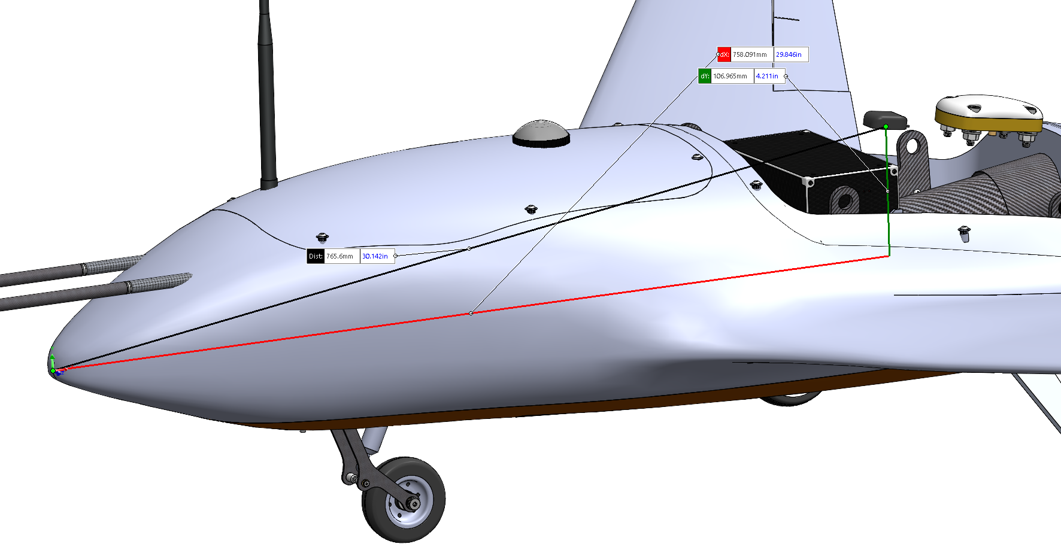
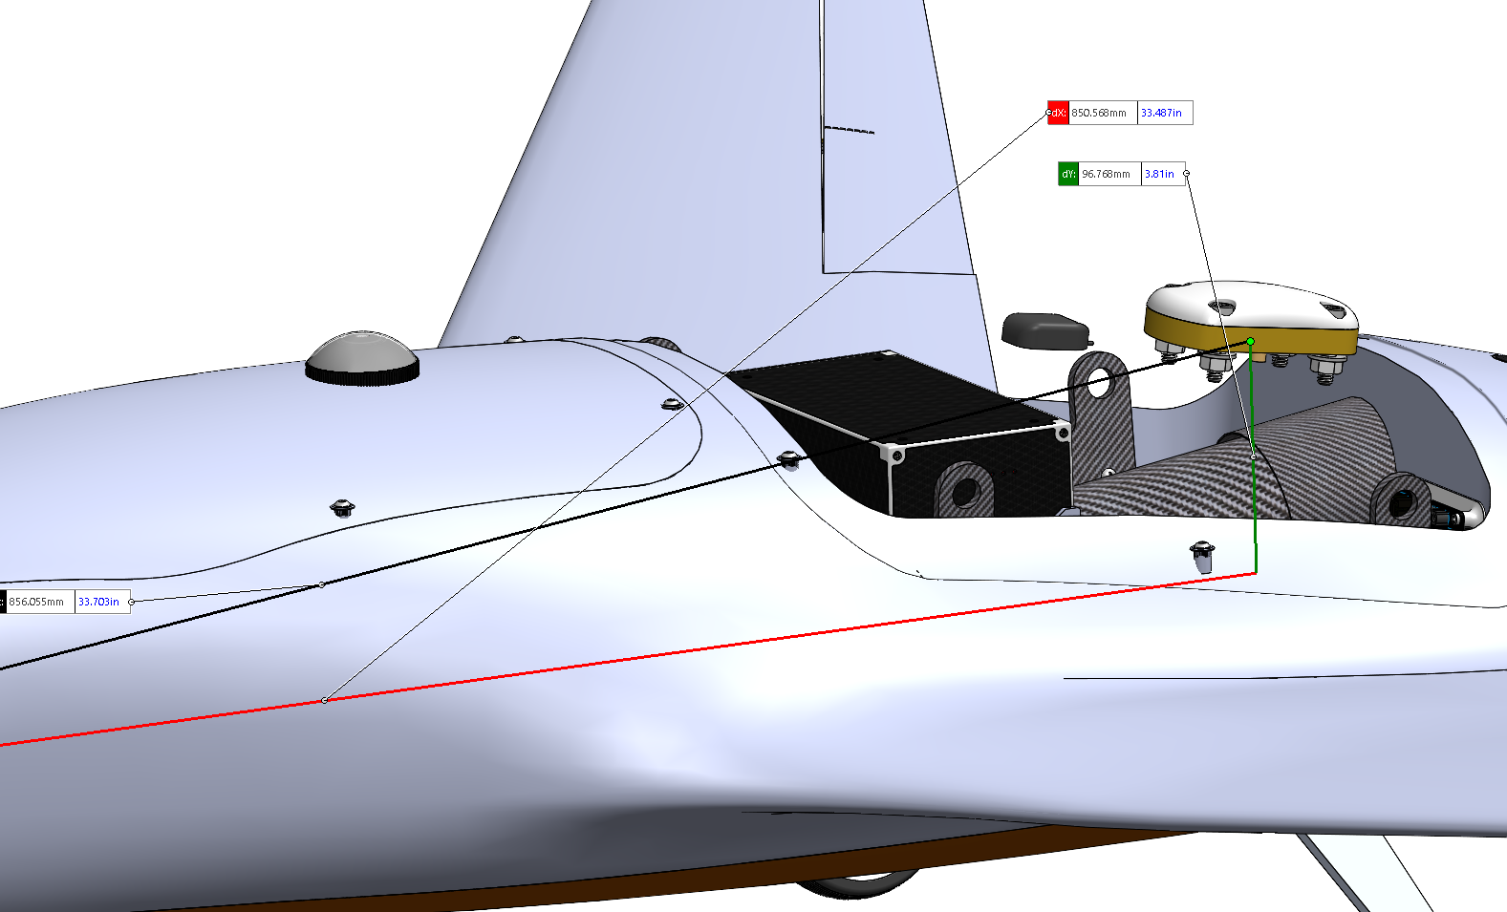
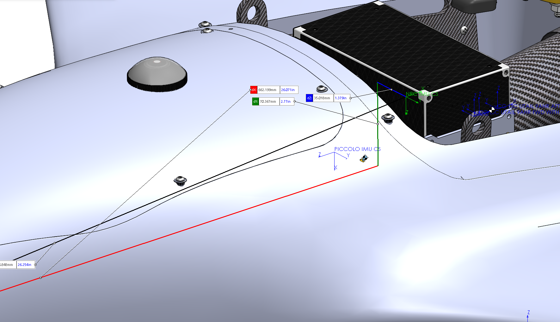
0080 - BA - HIL FDM OUTPUTS
Version 1
February 13, 2021
SDWW | (MR REV 1 "Sensor and Antennae Coordinates.xlsx" document copy)

 | NRC AP
 | X Coordinate [mm] | Y Coordinate [mm] | Z Coordinate [mm]
IMU Origin | 662.20 | -35.02 | 70.37
 | +X Axis | +Y Axis | +Z Axis
IMU Orientation | Along A/C +X | Along A/C -Y | Along A/C -Z

 | Piccolo SL
 | X Coordinate [mm] | Y Coordinate [mm] | Z Coordinate [mm]
IMU Origin | 622.24 | 3.54 | 21.73
 | +X Axis | +Y Axis | +Z Axis
IMU Orientation | Along A/C -Z | Along A/C -Y | Along A/C -X

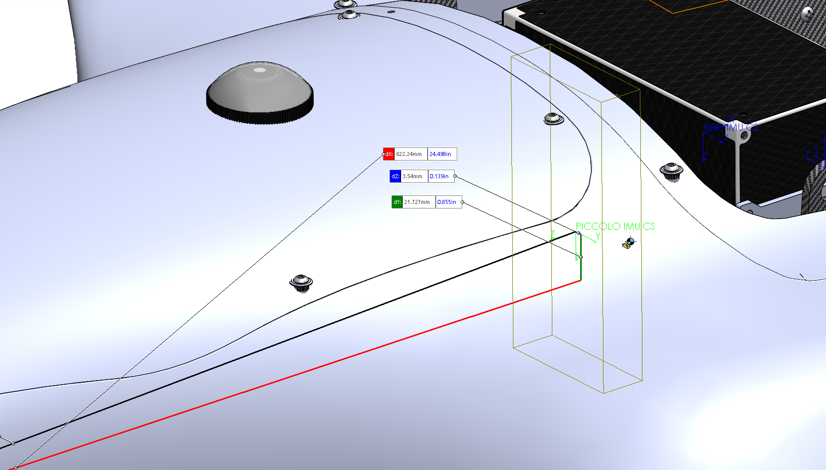

 |  |  |  |  | GPS Antennae
 |  |  |  |  | DGPS [mm] | Piccolo GPS [mm] | Notes
 |  |  |  | X Axis Base Origin Coordinate | 850.57 | 758.09
 |  |  |  | Y Axis Base Origin Coordinate | 0.00 | 0.00
 |  |  |  | Z Axis Base Origin Coordinate | 96.77 | 106.97

Sensor & Antennae Locations 16P
0080 - BA - HIL FDM OUTPUTS
Version 1
February 13, 2021
SDWW | (MR REV 1 "Sensor and Antennae Coordinates.xlsx" document copy)

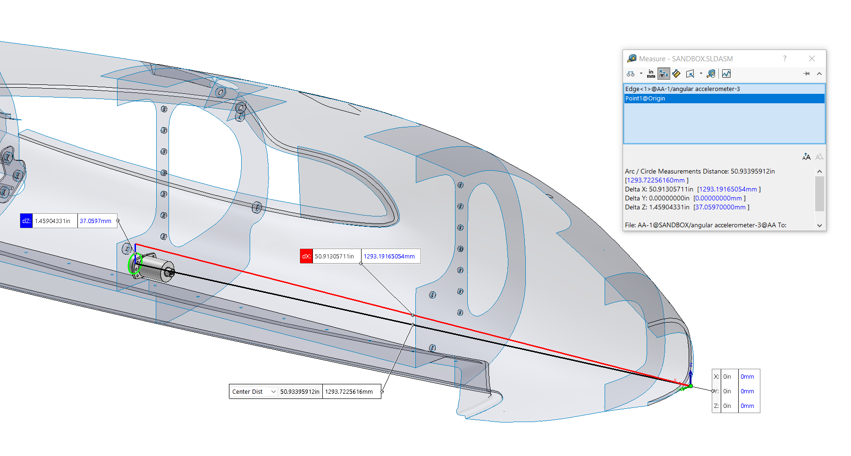
X Axis Angular Accelerometer
 | Angular Accelerometers
 | X Coordinate [mm] | Y Coordinate [mm] | Z Coordinate [mm] | Notes
X Axis Base Circle Center Coordinates | 1293.19 | 0.00 | -37.06 | Along A/C -X
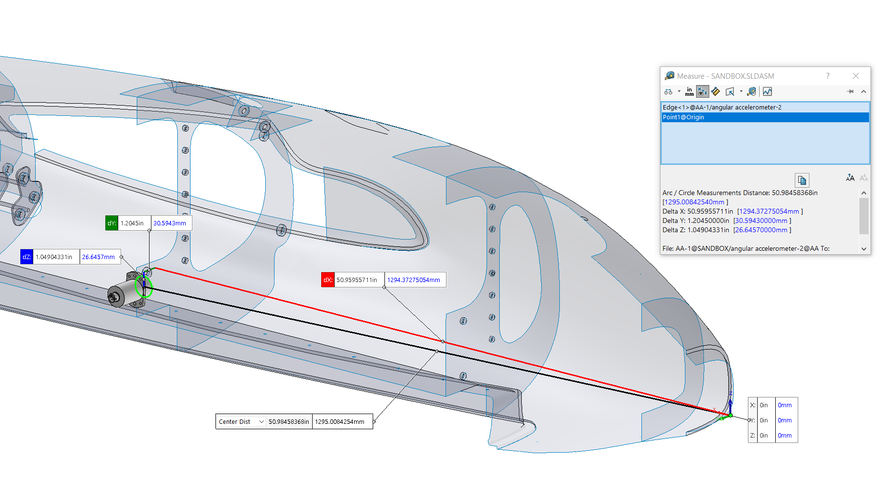
Y Axis Angular Accelerometer
Y Axis Base Circle Center Coordinates | 1294.37 | 30.59 | -26.65 | Along A/C +Y
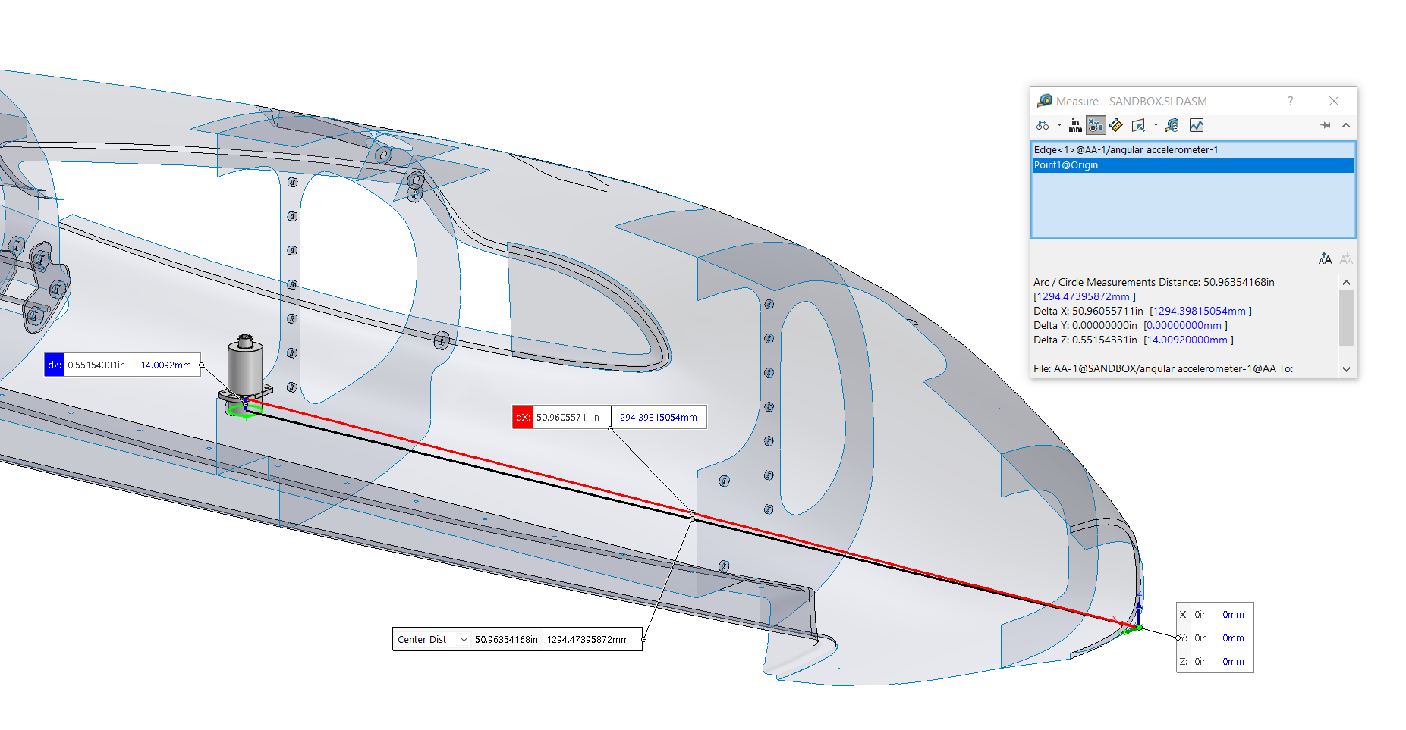
Z Axis Angular Accelerometer
Z Axis Base Circle Center Coordinates | 1294.40 | 0.00 | -14.01 | Along A/C +Z

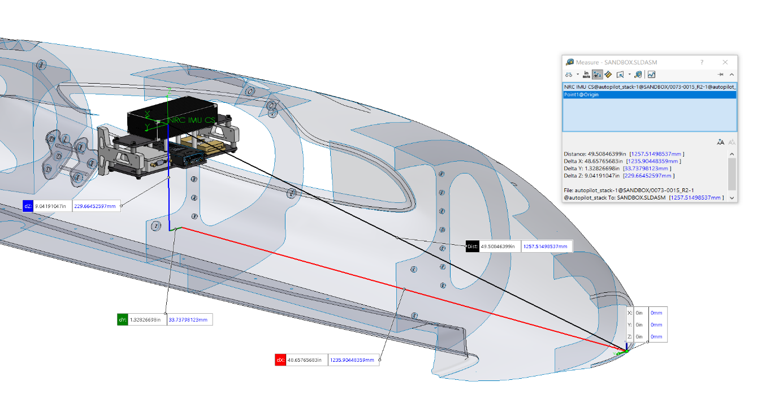
NRC AP IMU
 | NRC AP
 | X Coordinate [mm] | Y Coordinate [mm] | Z Coordinate [mm]
IMU Origin | 1235.90 | 33.74 | 229.66
 | +X Axis | +Y Axis | +Z Axis
IMU Orientation | Along A/C +X | Along A/C +Y | Along A/C +Z

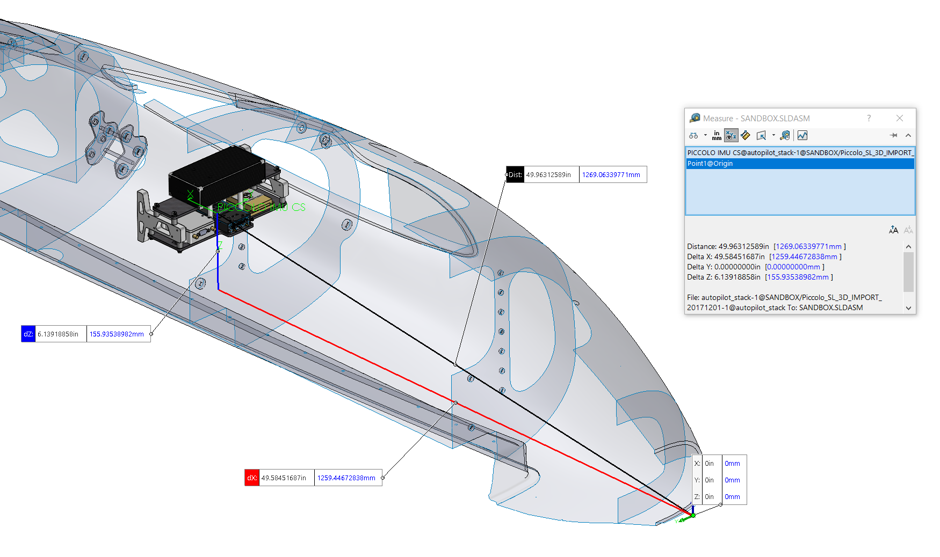
Piccolo IMU
 | Piccolo SL
 | X Coordinate [mm] | Y Coordinate [mm] | Z Coordinate [mm]
IMU Origin | 1259.45 | 0.00 | 155.94
 | +X Axis | +Y Axis | +Z Axis
IMU Orientation | Along A/C +X | Along A/C -Y | Along A/C -Z

 |  |  |  |  |  | GPS Antennae |  |  |  |  | AGL Altimeter (LIDAR)
 |  |  |  |  |  | Forward DGPS [mm] | Aft DGPS [mm] | Piccolo GPS [mm] | Notes |  | [mm] | Notes
 |  |  |  |  | X Axis Base Origin Coordinate | 653.17 | 1899.27 | 1265.39 |  | X Axis Mid Lens Coordinate | 974.24
 |  |  |  |  | Y Axis Base Origin Coordinate | 0.00 | 0.00 | 0.00 |  | Y Axis Mid Lens Coordinate | -196.35
 |  |  |  |  | Z Axis Base Origin Coordinate | 295.84 | 237.51 | 301.67 |  | Z Axis Mid Lens Coordinate | -163.70
 |  |  |  |  | Base Plane Angle WRT XY Plane | -6.42 | 6.94 | 3.93 | "UP" is "+" , "DOWN" is "-"

